Sheet1
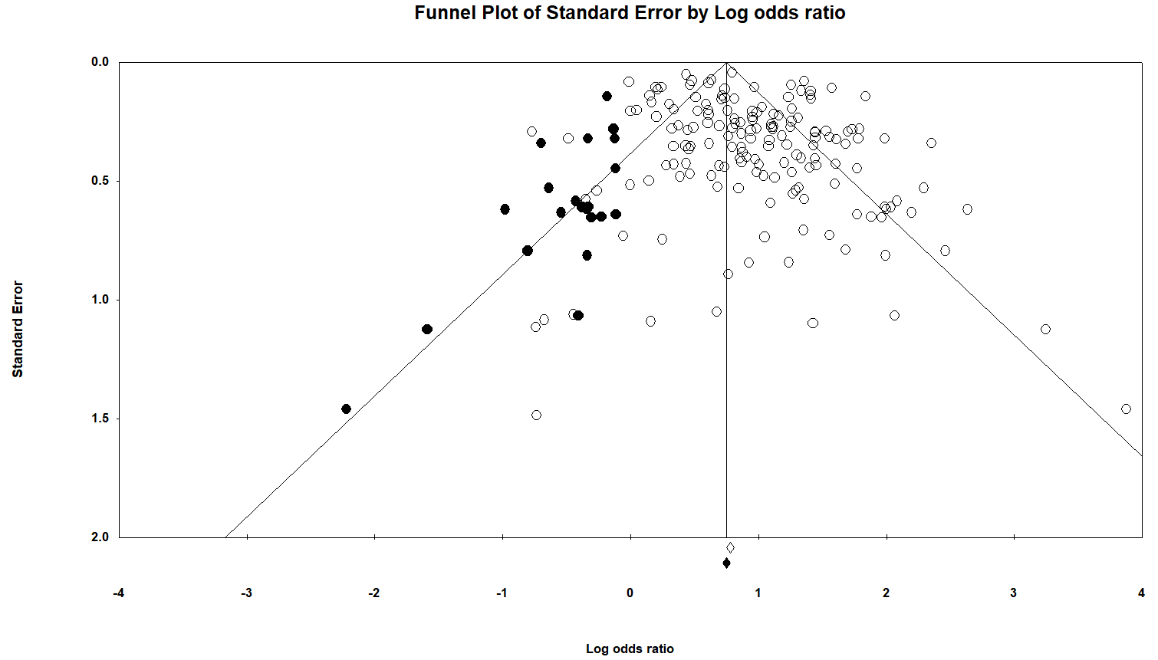
small study effect

Cognition |  | Overall: Only dementia, mortality, and mental health continuous data domain showed publication bias evidenced by Egger's test p-value (1-tailed) <0.05
categorical |  | Duval and Tweedie's trim and fill analysis done for those Egger's test p-value (1-tailed) <0.05

Cognitive impairment

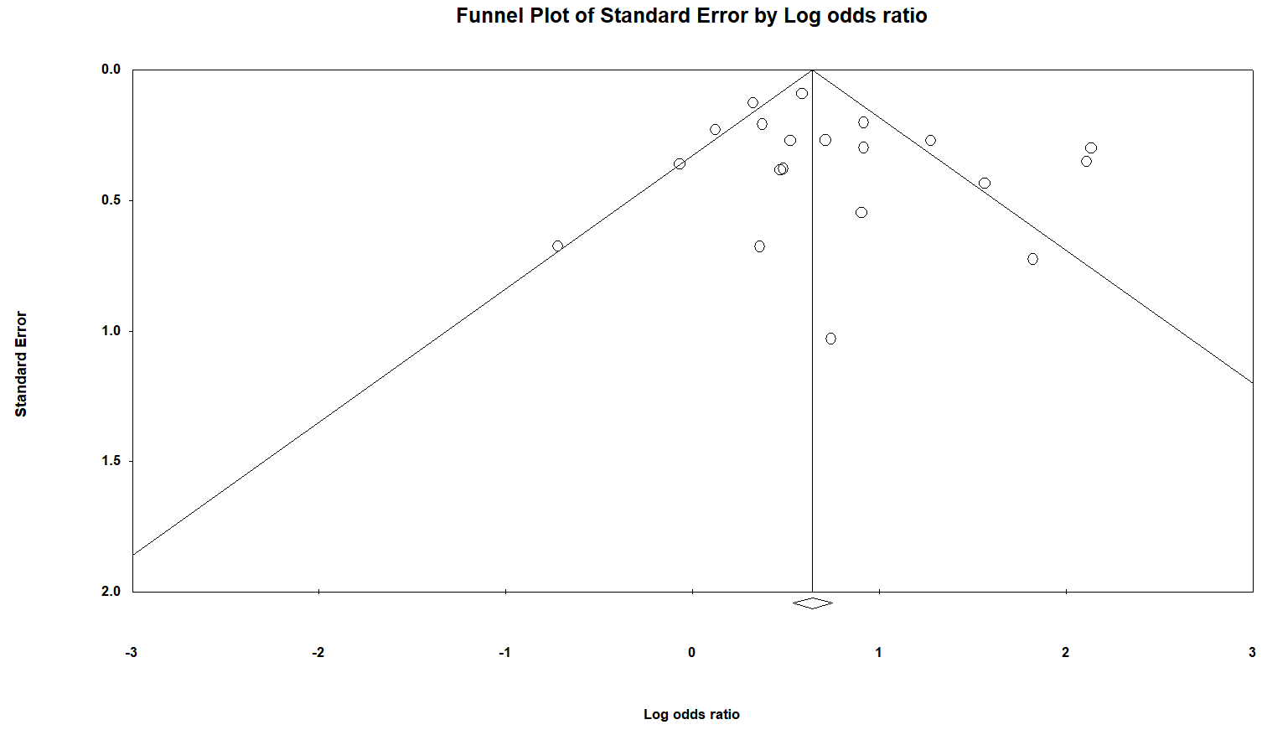

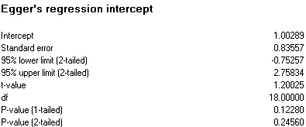
 |  |  |  |  |  |  | No need of trim and fill analysis

Cognitive decline: only 5 studies available. Not recommended to conduct Egger's regression and Duval and Tweedie's trim and fill (at least 10 studies)

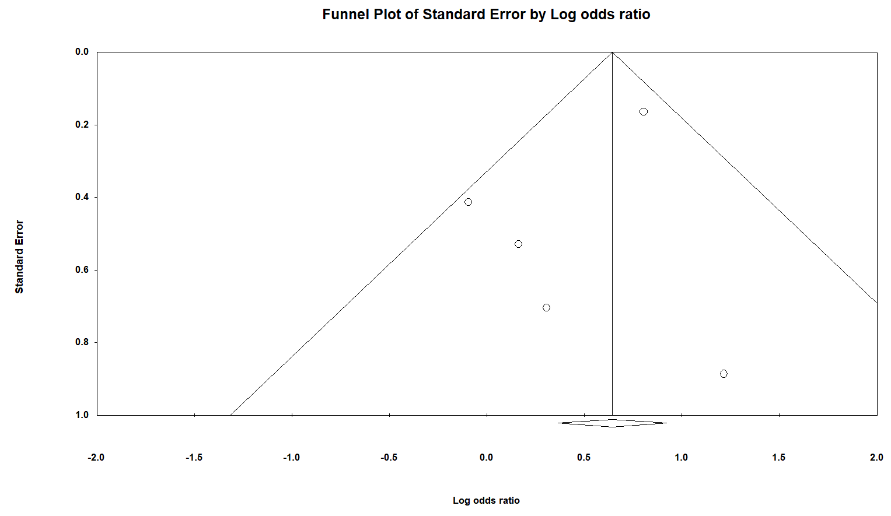

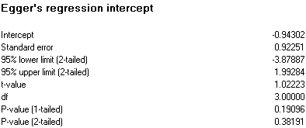

 |  |  |  |  |  |  |  | No extreme outlier was found. No need of outlier analysis

Continuous
Cognitive impairment
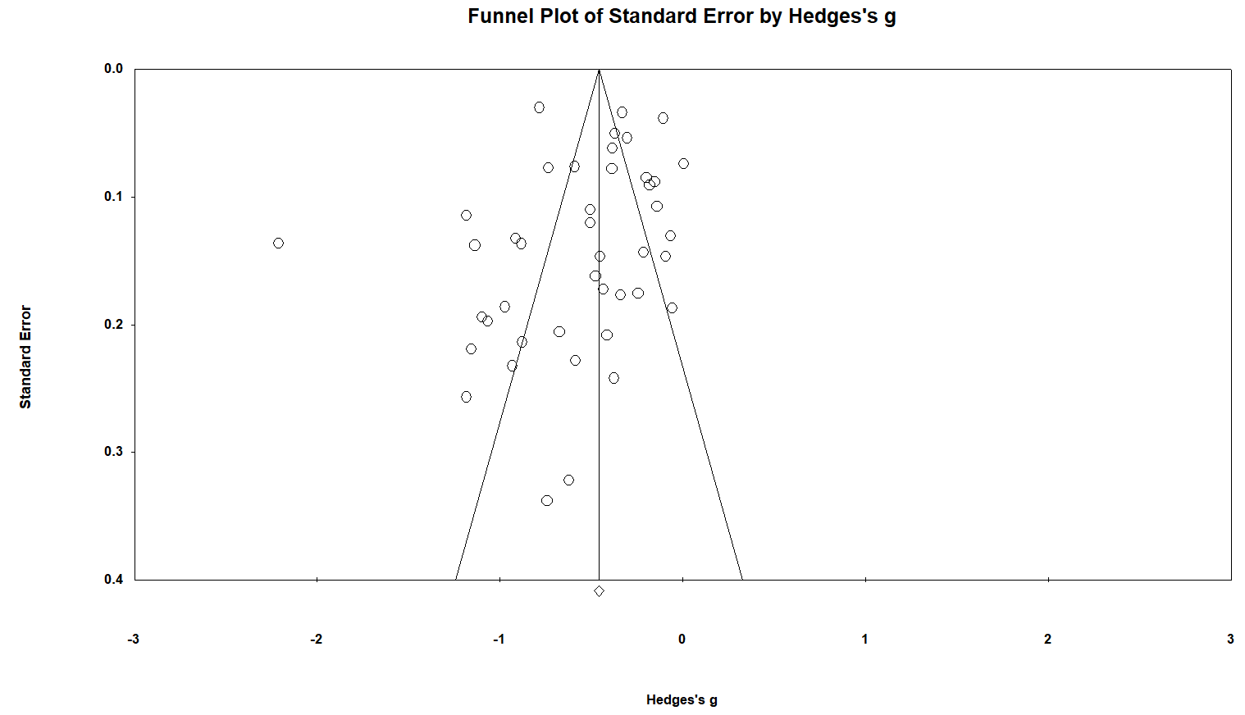

 |  |  |  |  | Extreme Outlier
 |  |  |  |  |  | Articles | Outcome | Month | Hedges'g
 |  |  |  |  | Serrano-Duenas 2005 | Combined | Combined | Combined | -2.21

 | After removing the extreme outlier

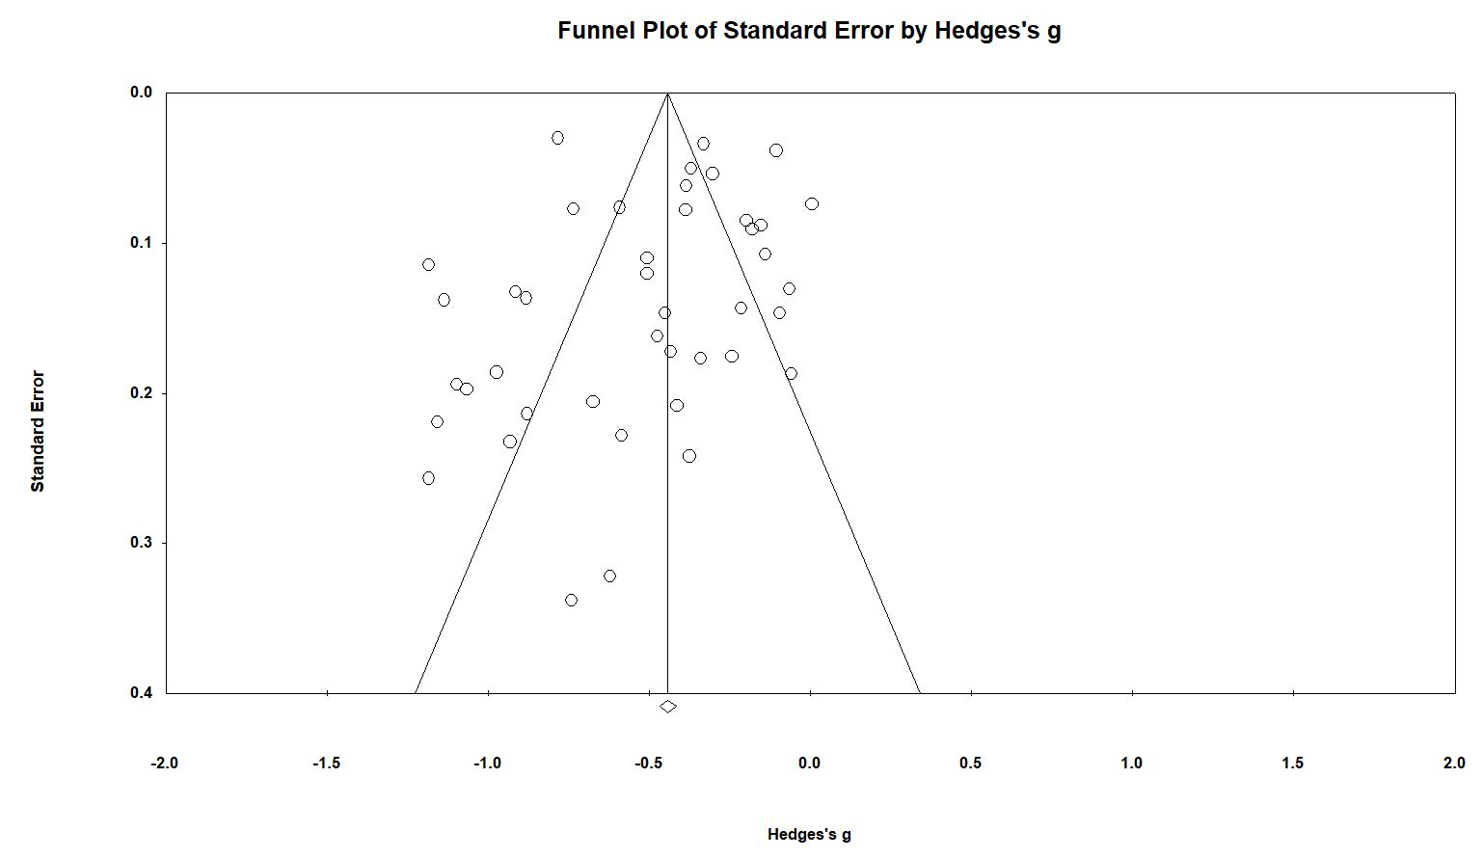

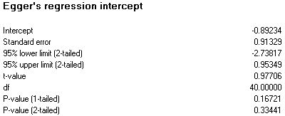
 |  |  |  |  |  |  | No need of trim and fill analysis

Continuous
Cognitive decline

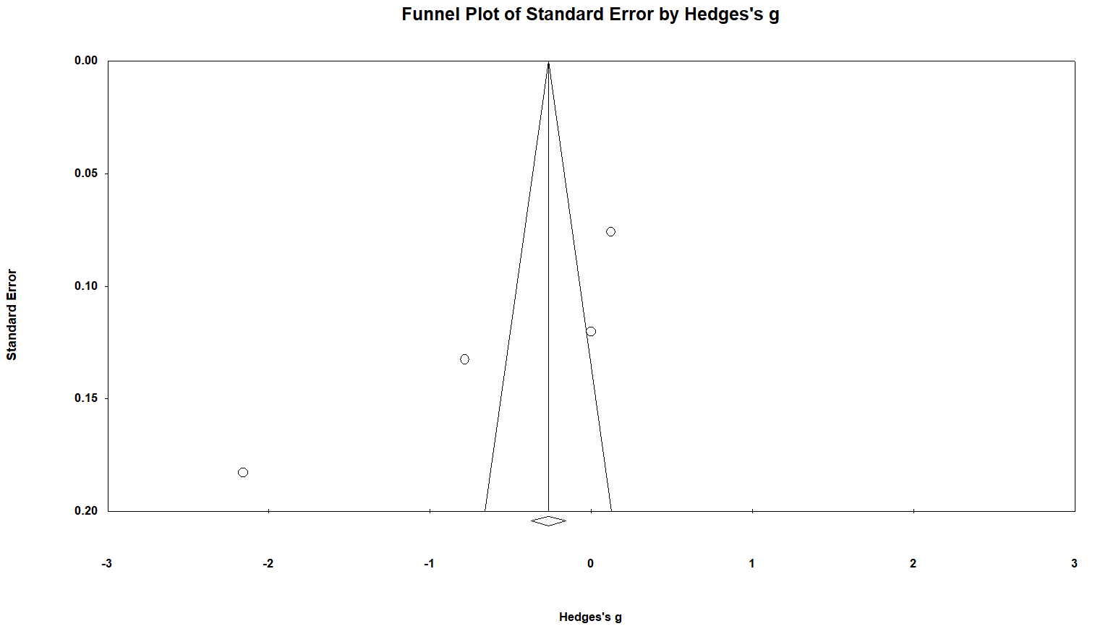

 |  | Extreme Outlier
 |  |  | Articles | Outcome | Month | Hedges'g
 |  |  | Vives-Borrás 2019 | Cognitive decline | 6 month | -2.16

 | After removing the extreme outlier

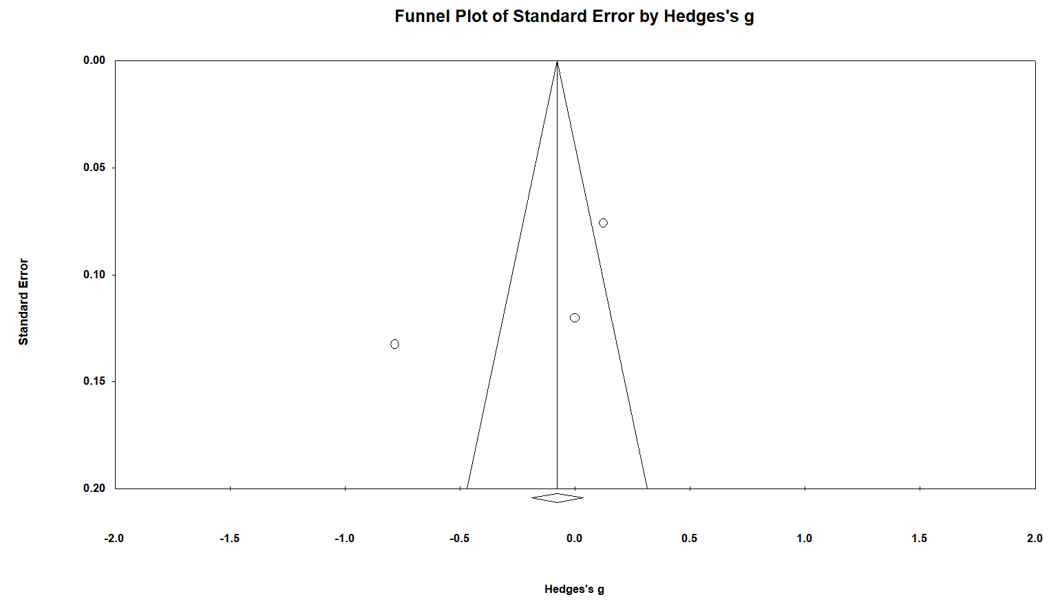

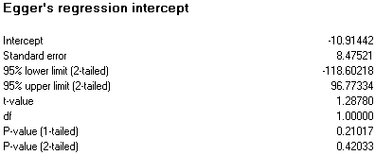
 |  |  |  |  |  | No need of trim and fill analysis

Cognitive changes

Continuous

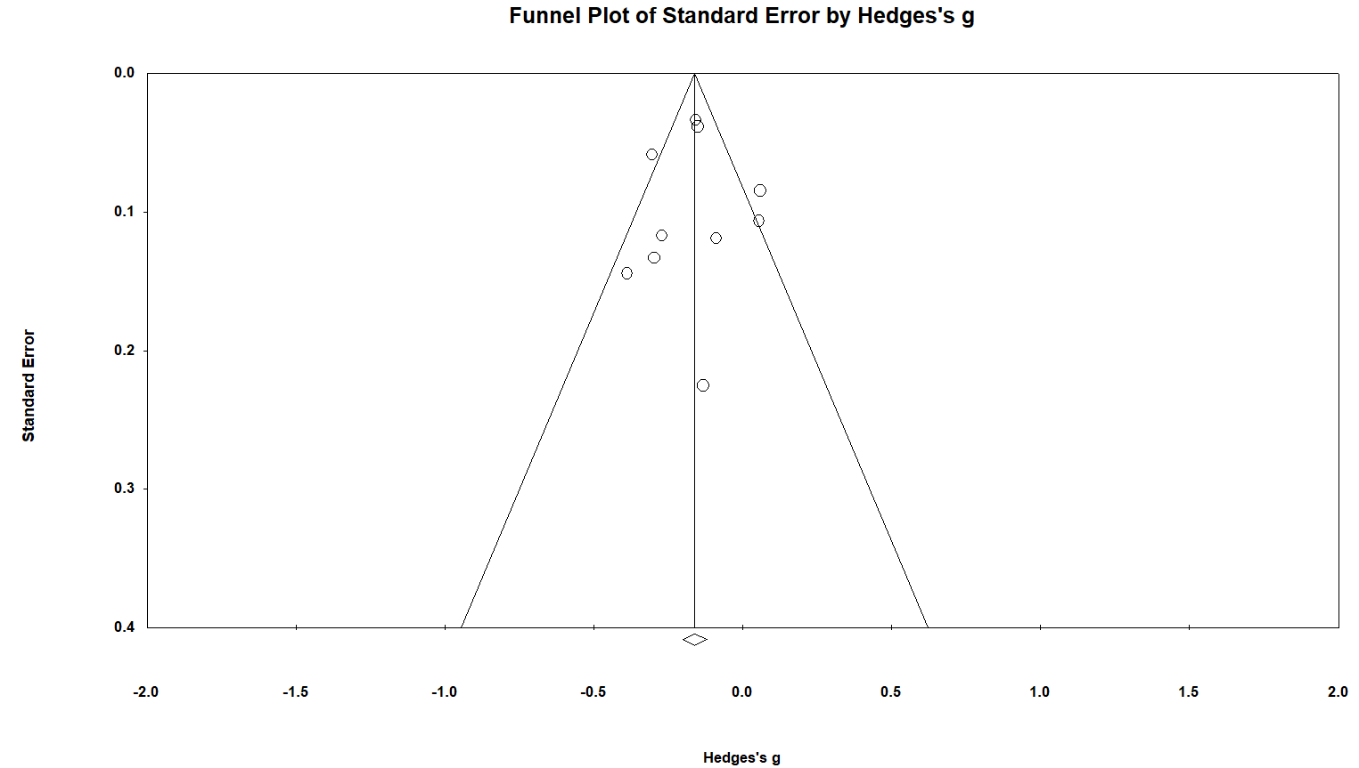

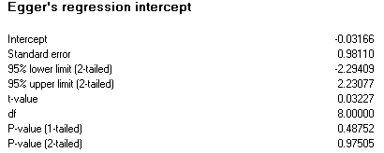
 |  |  |  |  |  |  | No need of trim and fill analysis

Functional outcome
categorical
Functional impairment

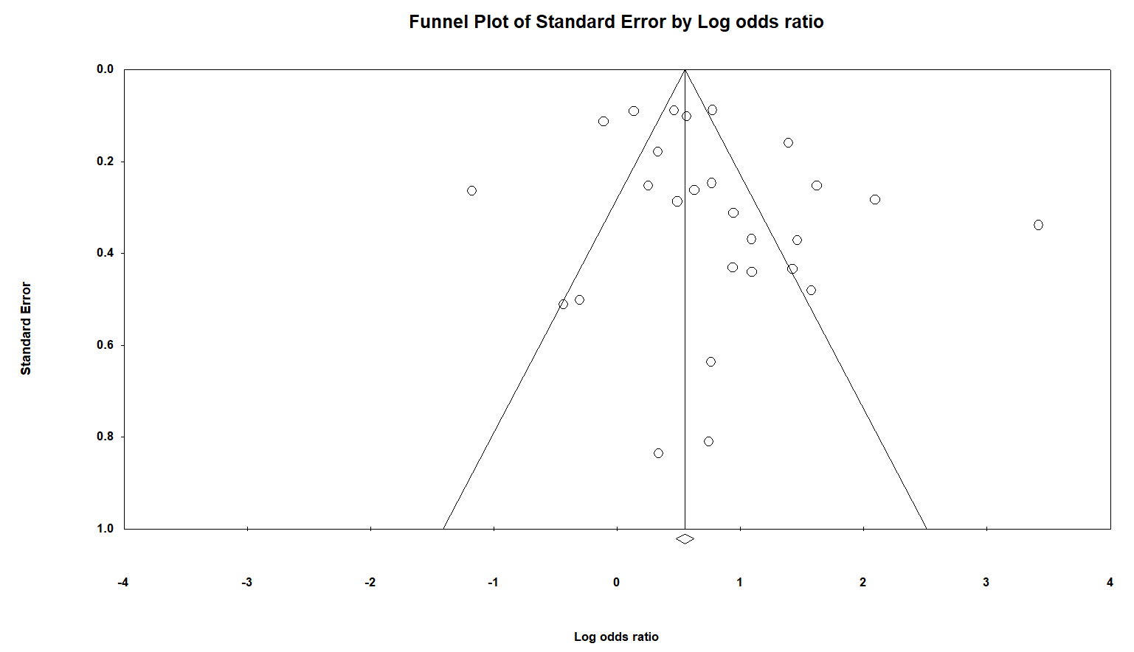

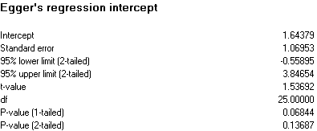

 |  |  |  |  |  | No need of trim and fill analysis

Functional outcome
categorical
Functional decline

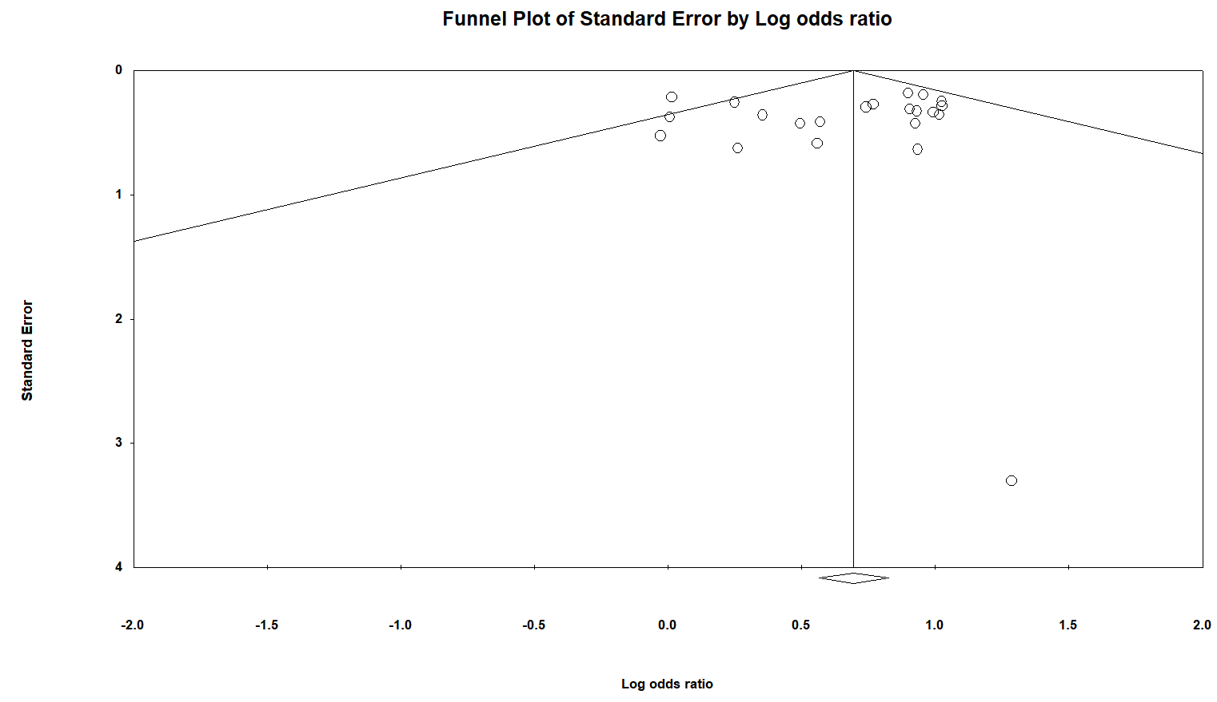
 |  |  | Extreme Outlier
 |  |  |  | Articles | Outcome | Month | Hedges'g
 |  |  |  | Tavares 2021 | Functional decline | 3 month | 3.6 | The confidence interval is very wide because the study only reported OR without a confidence interval and we transformed the data

 | After removing the extreme outlier

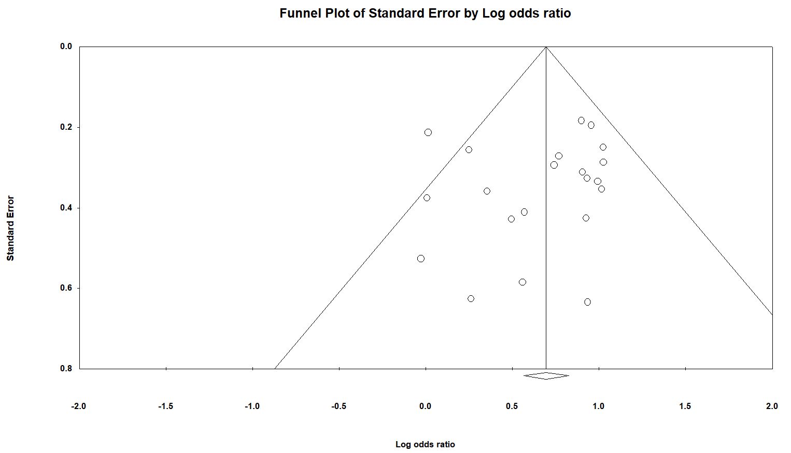

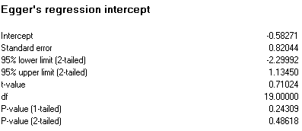

 |  |  |  |  |  | No need of trim and fill analysis

Functional outcome
Continuous
Functional impairment

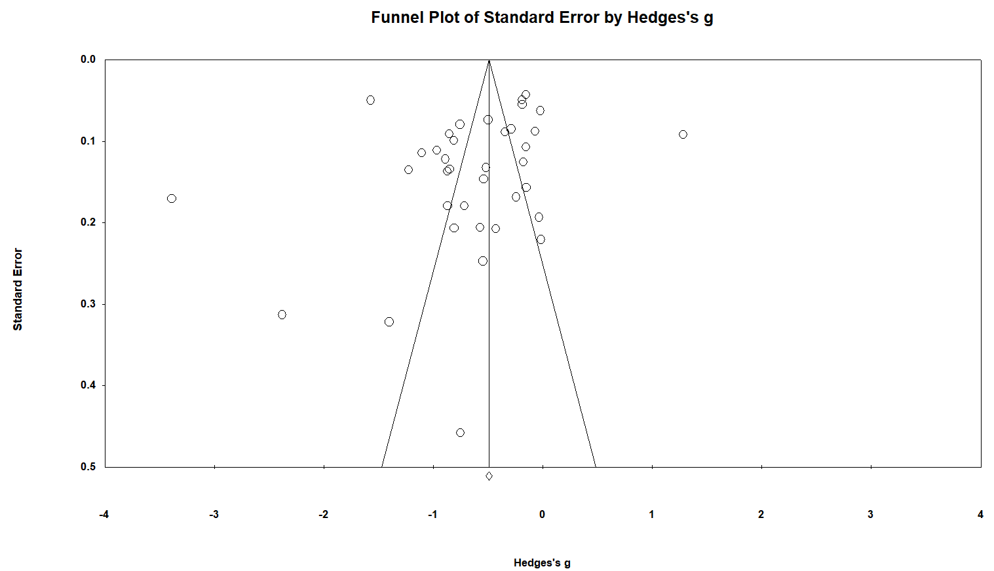

 |  |  | Extreme Outlier
 |  |  |  | Articles | Outcome | Month | Hedges'g
 |  |  |  | Oldenbeuving 2011 | Functional impairment | 1 month | -3.39

 | After removing the extreme outlier

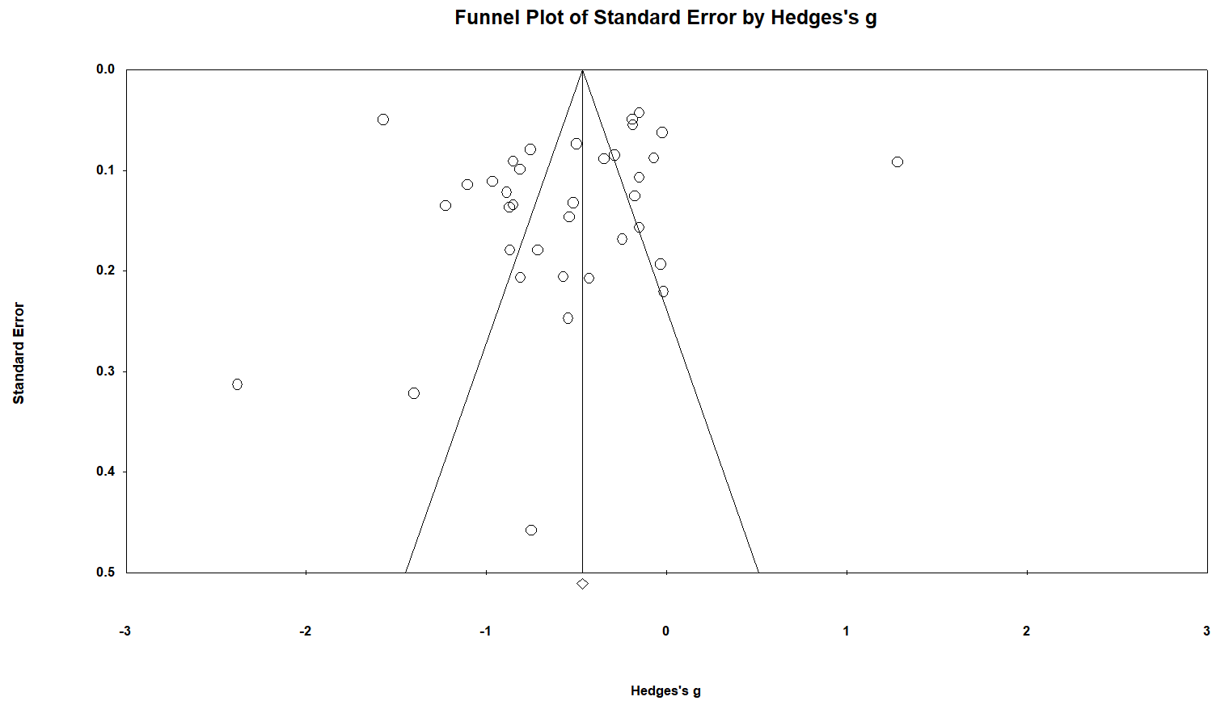

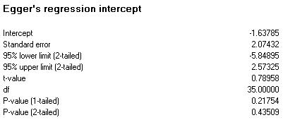

 |  |  |  |  |  |  | No need of trim and fill analysis

Functional outcome
Continuous
Functional decline

Only 2 studies. N need of small study and outliers analysis

Functional changes
Only 6 studies available

Quality of life

Caegorical

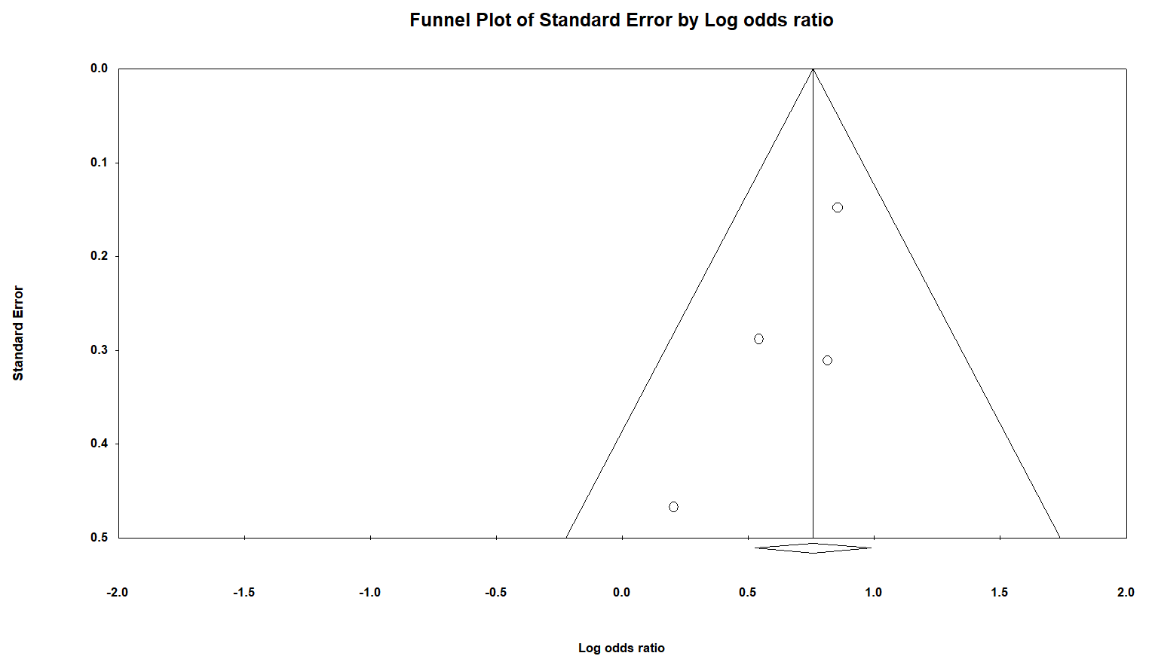

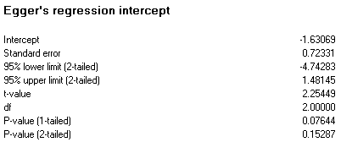
 |  |  |  |  |  |  | No need of trim and fill analysis

Quality of life

Continuous
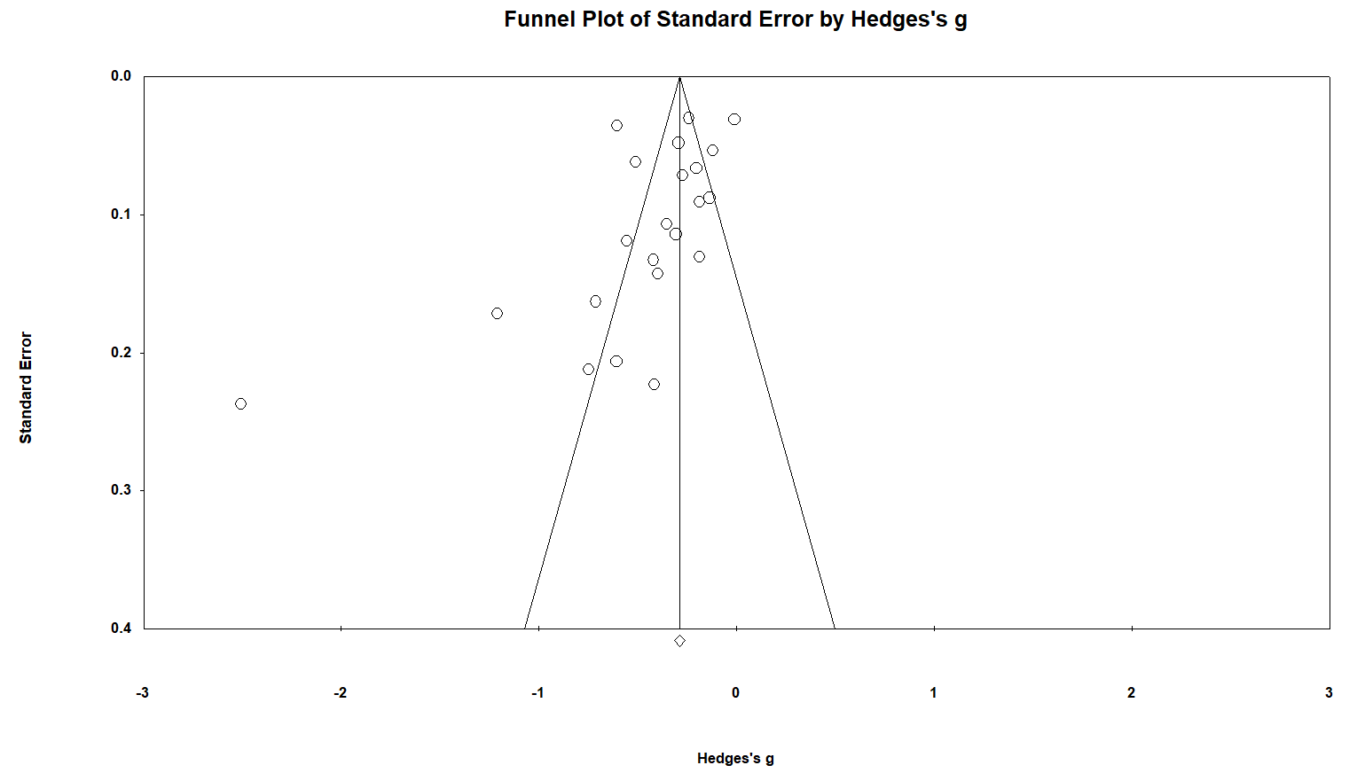

 | After removing the extreme outlier

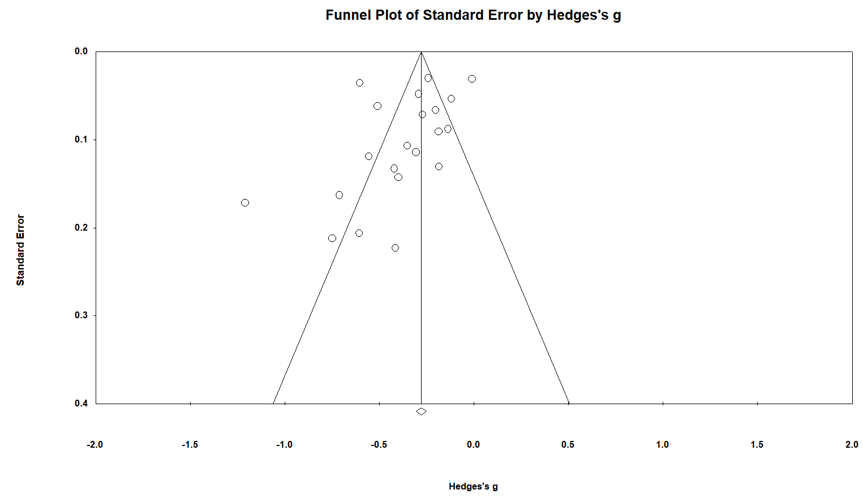

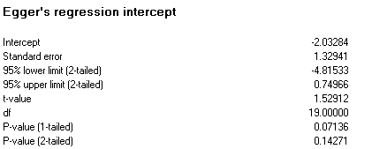

 |  |  |  |  |  |  | No need of trim and fill analysis

Mental health

Categorical

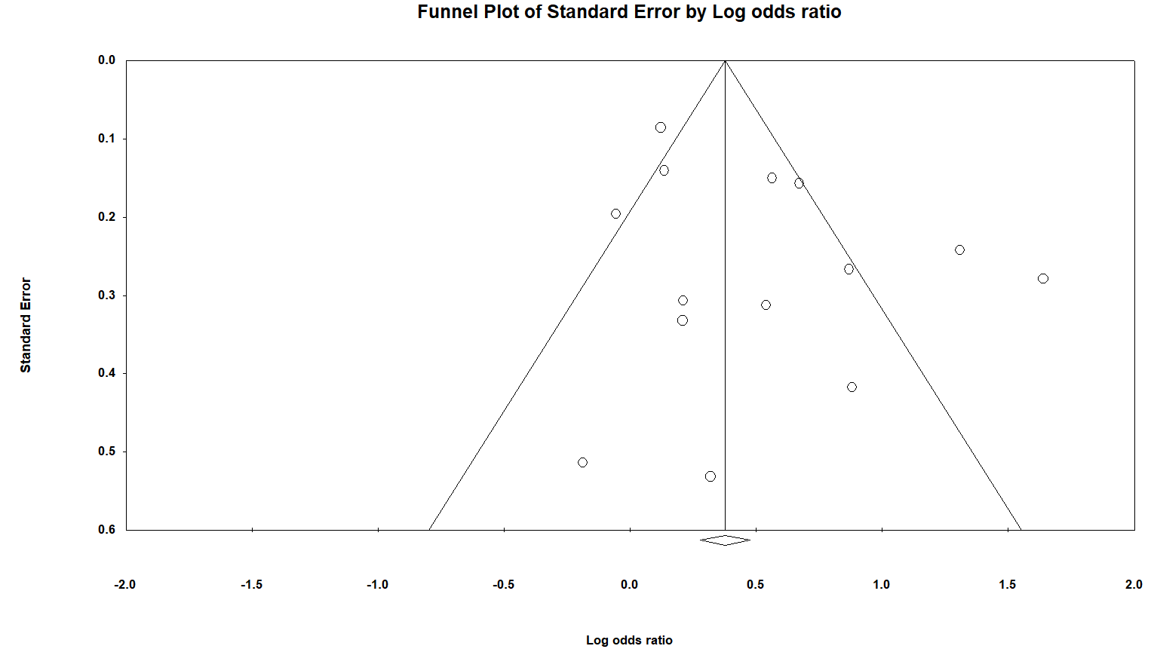

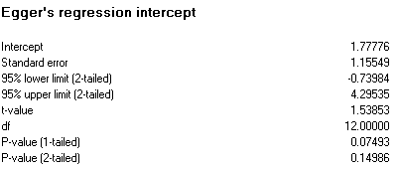

 |  |  |  |  |  |  | No need of trim and fill analysis

Mental health

Continuous



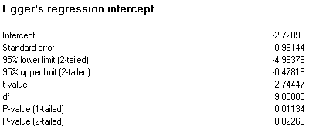

Observed and imputed

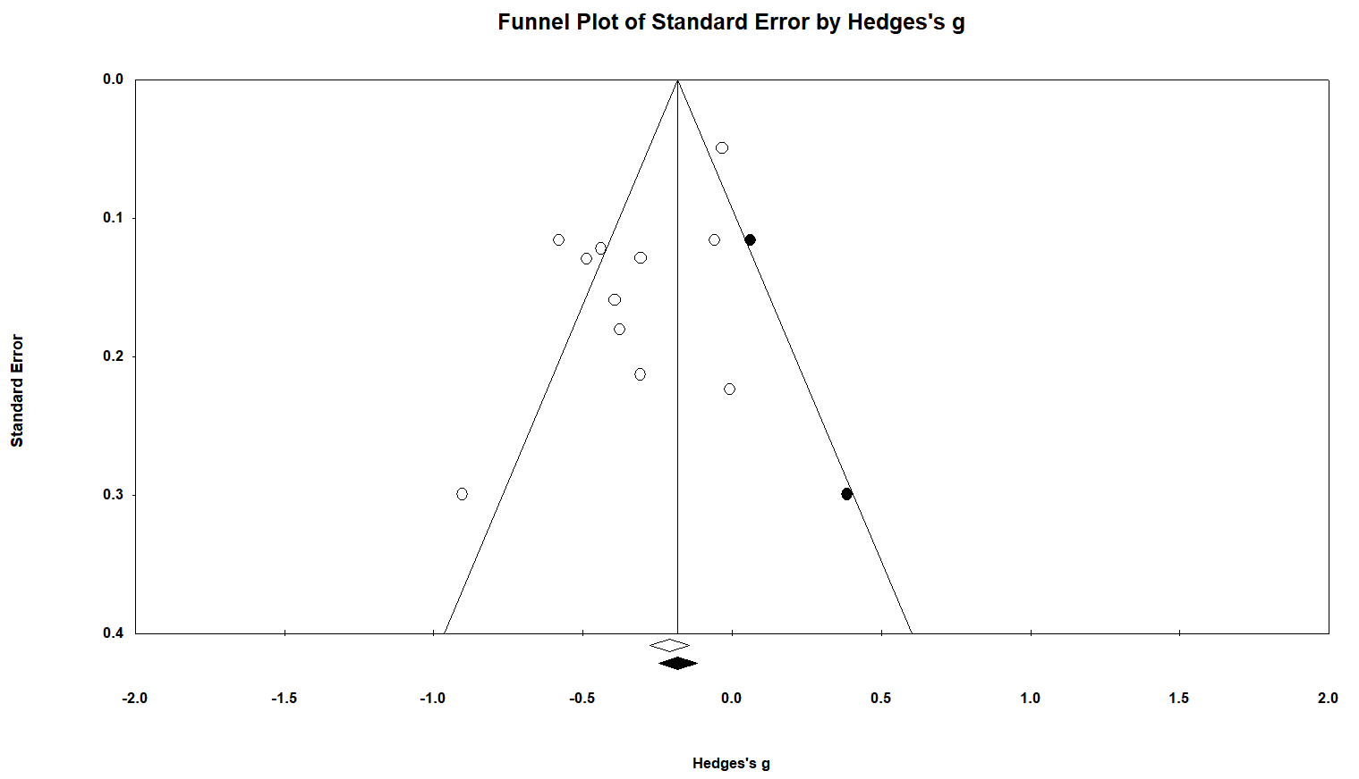

Institutionalisation

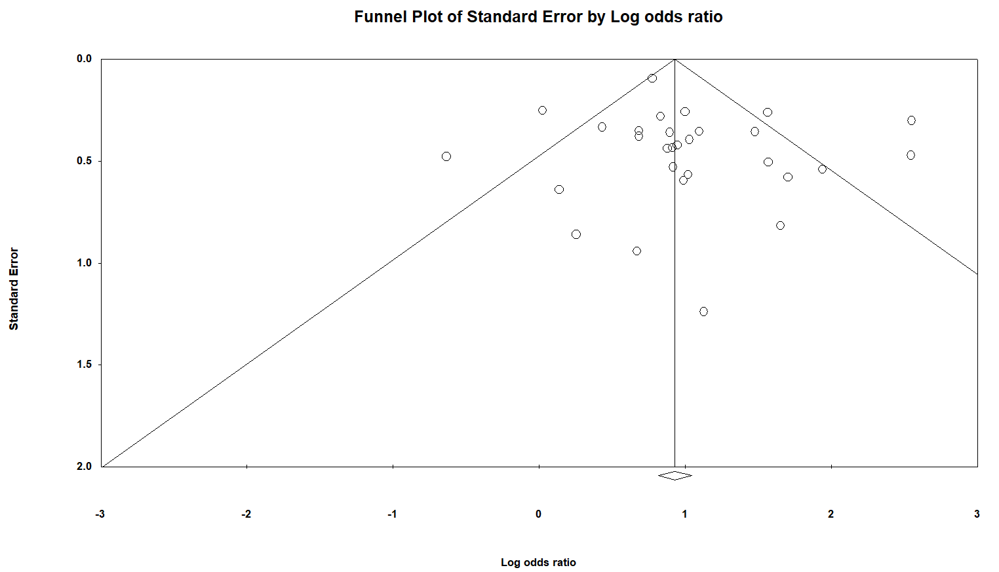

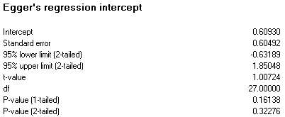

 |  |  |  |  |  |  | No need of trim and fill analysis

Readmission

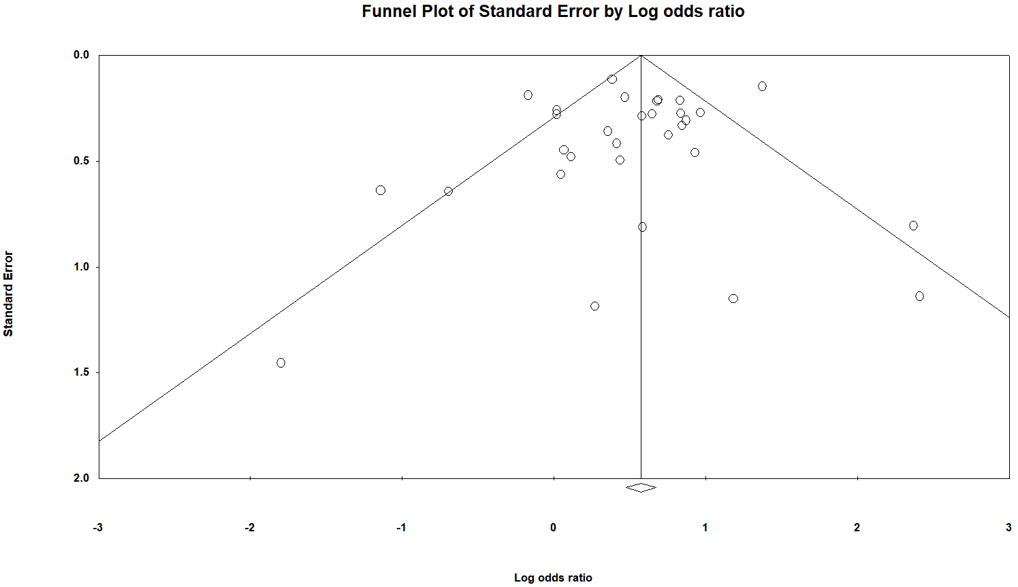


 |  |  |  |  |  |  | No need of trim and fill analysis

Dementia
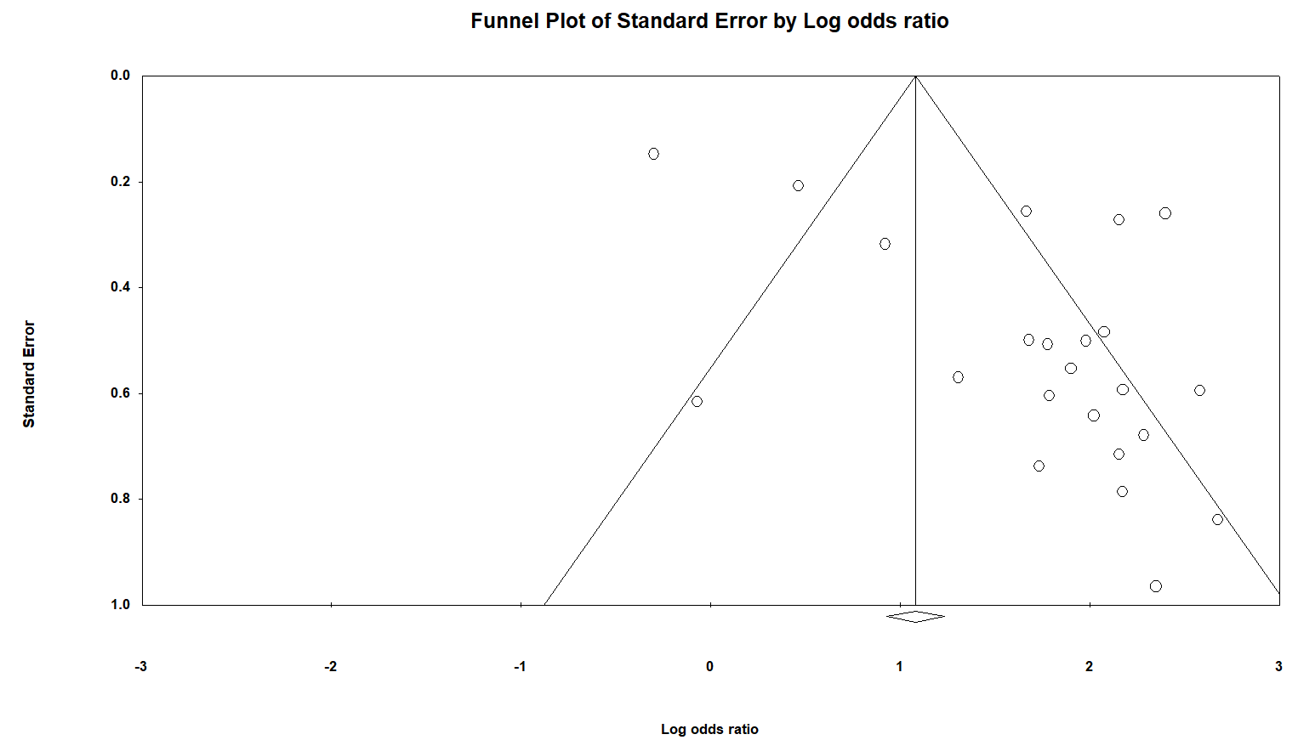



Observed and imputed

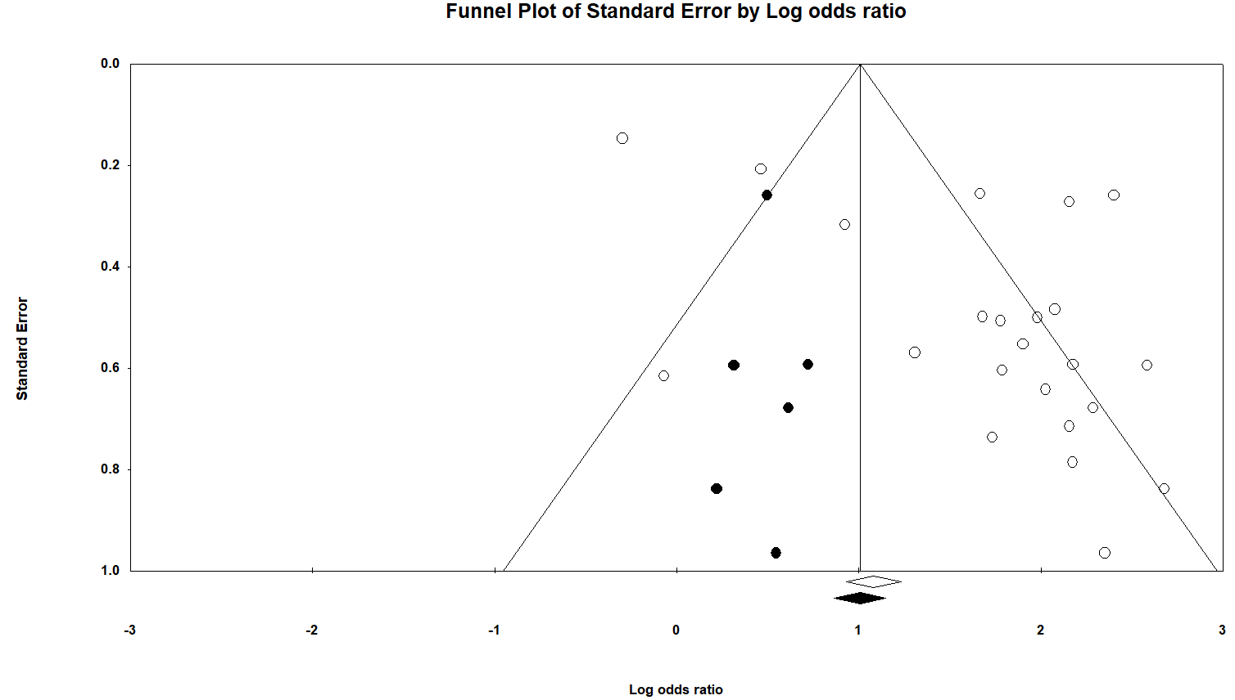

Mortality

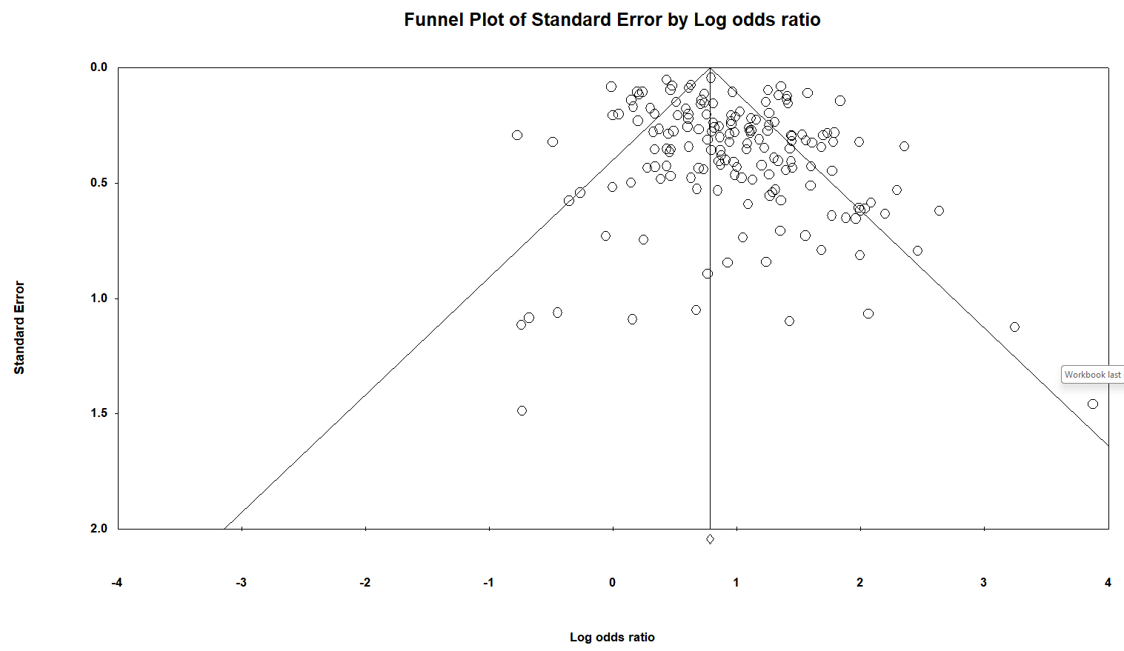

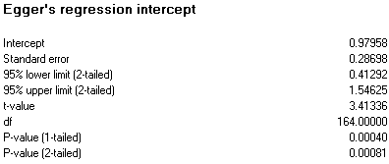

Observed and imputed

